08 JULY 2021
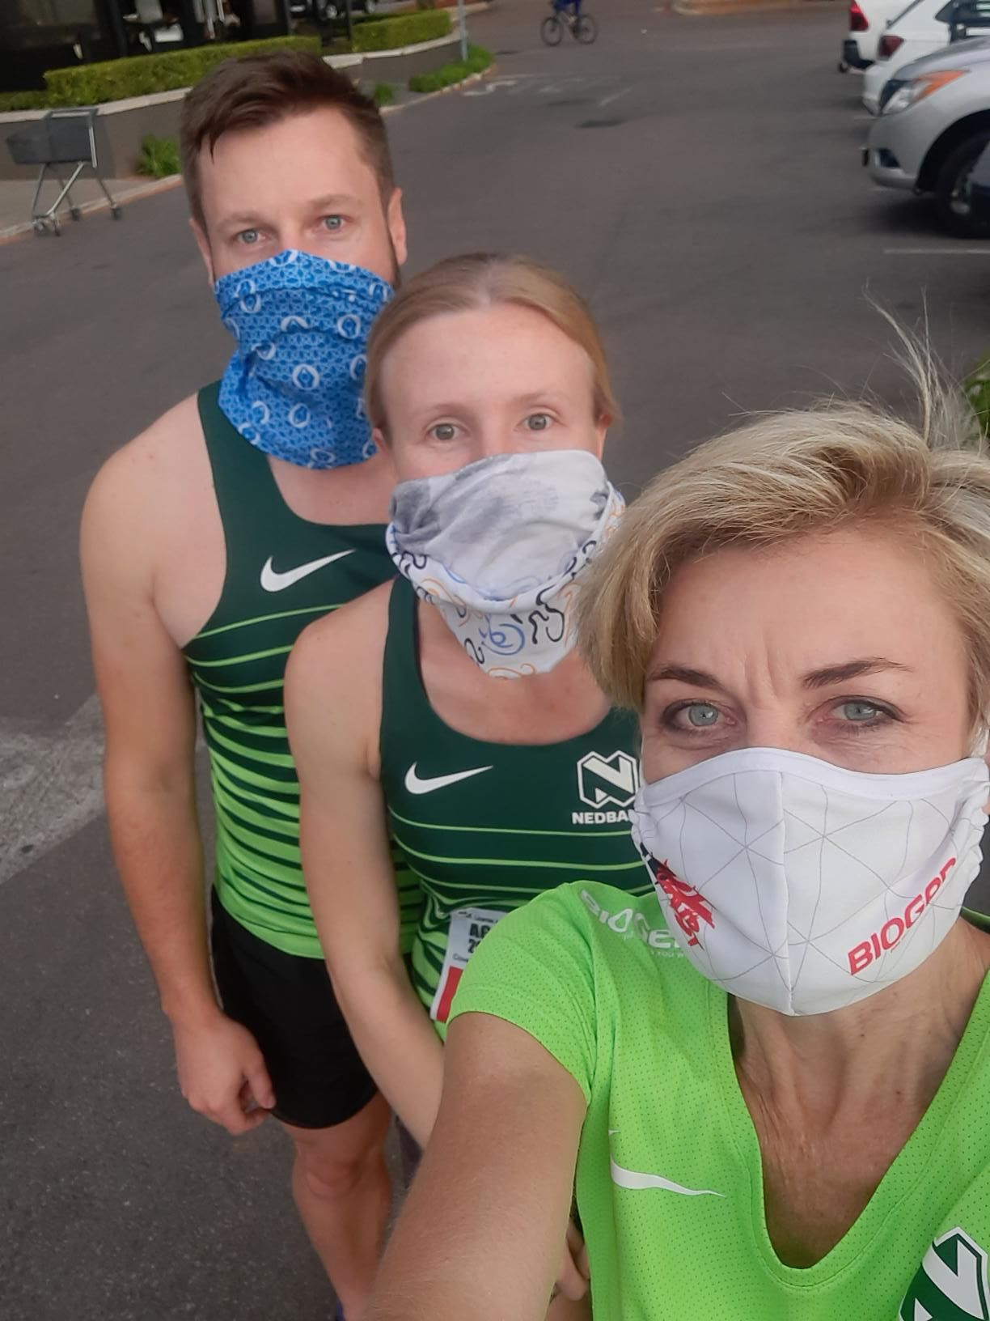
NEDBANK RUNNING CLUB GAUTENG NORTH
CLUB & VIRTUAL TIME TRIAL 08 JULY 21
CLUB TIME TRIALS
NAMES | KM | TIME
ABRAM MODISE | 16 | 60:42 | EKURHULENI
ANTON SHTABONOV | 20 | 5H22 | RUSSIA
Александр Шинькович | 15 | 60:06 | RUSSIA
BASANT KUMAR SAHOO | 10 | 60:03 | INDIA
BONGANI CHABALALA | 10 | 41:07 | TSHWANE
BOOJ DE VOS | 11 | 48:03 | MOGALE CITY
BUDHADITYA BOSE | 5 | 32:49 | USA
CHANTELLE MOLL | 7 | 40:00
CHERI-LEE FERREIRA | 8 | 43:46 | TSHWANE
DAVY SIMBA | 10 | 60:04 | TANZANIA
DEJESUS TAFA | 9 | 53:05 | TANZANIA
DEMITRI KOPIEC | 11 | 60:02 | FRANCE
DEUSIMAR FERREIRA | 6 | 60:07 | BRAZIL
DOUG BOSCH | 8 | 54:30 | TSHWANE
Евгений Шкедов | 1 | 12:43 | KAZAKHSTAN
FRANCES VAN BLERK | 4 | 19:47 | TSHWANE
FRANCOIS MAQUASSA | 5 | 23:05 | OUDTSHOORN
FRANCOIS MAQUASSA | 2 | 10:06 | OUDTSHOORN
FUSI POSHOLJ | 7 | 41:35 | MPUMULANGA
GLAUCIENE PEREIRA | 5 | 23:06 | BRAZIL
HANIF CAMBA | 5 | 41:46 | INDONESIA
INGRID KOSTER | 8 | 42:44 | TSHWANE
JACKELINE RODRIGUES | 10 | 60:01 | BRAZIL
JANNIE VAN DER WALT | 5 | 32:08 | TSHWANE
JOSE CARLOS | 3 | 43:35 | COSTA RICA
JOSE CARLOS H | 5 | 60:03 | COSTA RICA
JURAJ JANKOVIC | 10 | 54:50 | SLOVAKIA
KARABO MOKUBUNG | 12 | 60:10 | MPUMALANGA
KHOLOFENLO NGWATWANE | 10 | 60:04 | TSHWANE
KWANGMIN LEE | 4 | 31:11 | SOUTH KOREA
MAGUEL AGUILAR BURGOS | 10 | 43:55 | SPAIN
MALOSE NOKO LAMOLA | 13 | 60:08 | LESEDI
MARIELA RODRIGUES | 6 | 45:06 | USA
MARTIN MURIUKI | 7 | 44:05
MARTIN NAUDE | 10 | 60:00 | TSHWANE
MATHEKO MOE | 12 | 60:02 | TSHWANE
MATTHEW I CELIS | 13 | 58:43 | USA
MEINTJIE JANSEN | 7 | 37:35 | MPUMALANGA
MELISSA BENDER | 6 | 34:21 | CITY OF JHB
MES KENNEDY | 5 | 44:27
MICHALE LENHOFF | 17 | 60:30 | TSHWANE
MOSHABI LAZARUS MALETE | 10 | 60:07 | TSHWANE
MUZI NGXONGO | 16 | 60:38 | KZN
NAIARA FERREIRA | 2 | 13:07 | BRAZIL
NTUTHUKO MDLALOSE | 10 | 49:09 | KZN
PAULA HILL | 12 | 60:28 | CANANDA
PETER MOLOTO | 16 | 60:20 | TSHWANE
REUBEN SWART | 10 | 48:28 | TSHWANE
RICARDO ALANIS | 7 | 2H00 | MEXICO
RU | 12 | 60:09 | RUSSIA
SAMANTHA CARLA | 10 | 57:59 | BRAZIL
SGUDA SIBANDE | 10 | 45:22 | TSHWANE
SIPHIWE BILLY SIGUDLA | 5 | 36:32 | EKURHULENI
SOLICE MAKGETLANENG | 13 | 50:48 | TSHWANE
STEFAN COMBRINCK | 8 | 39:11 | MOGALE CITY
SUE HEYMANS | 5 | 60:02 | TSHWANE
TEEGAN-JADE BISSET GANDER | 3 | 36:55 | CITY OF JHB
TLHOTSANE SEMPE | 11 | 60:01 | EASTERN CAPE
TLOU TLOU | 10 | 56:46 | MPUMALANGA
UNCIAL HAUPT | 4 | 35:32 | TSHWANE
VALTER RANCO | 10 | 60:01 | BRZIL
VEDABUIO L | 7 | 30:32 | TSHWANE
WICUS COETZEE | 5 | 45:18 | TSHWANE
XOLANI FOMANA | 12 | 60:04 | TSHWANE
64 ATHLETES | 556

