15 JULY 2021
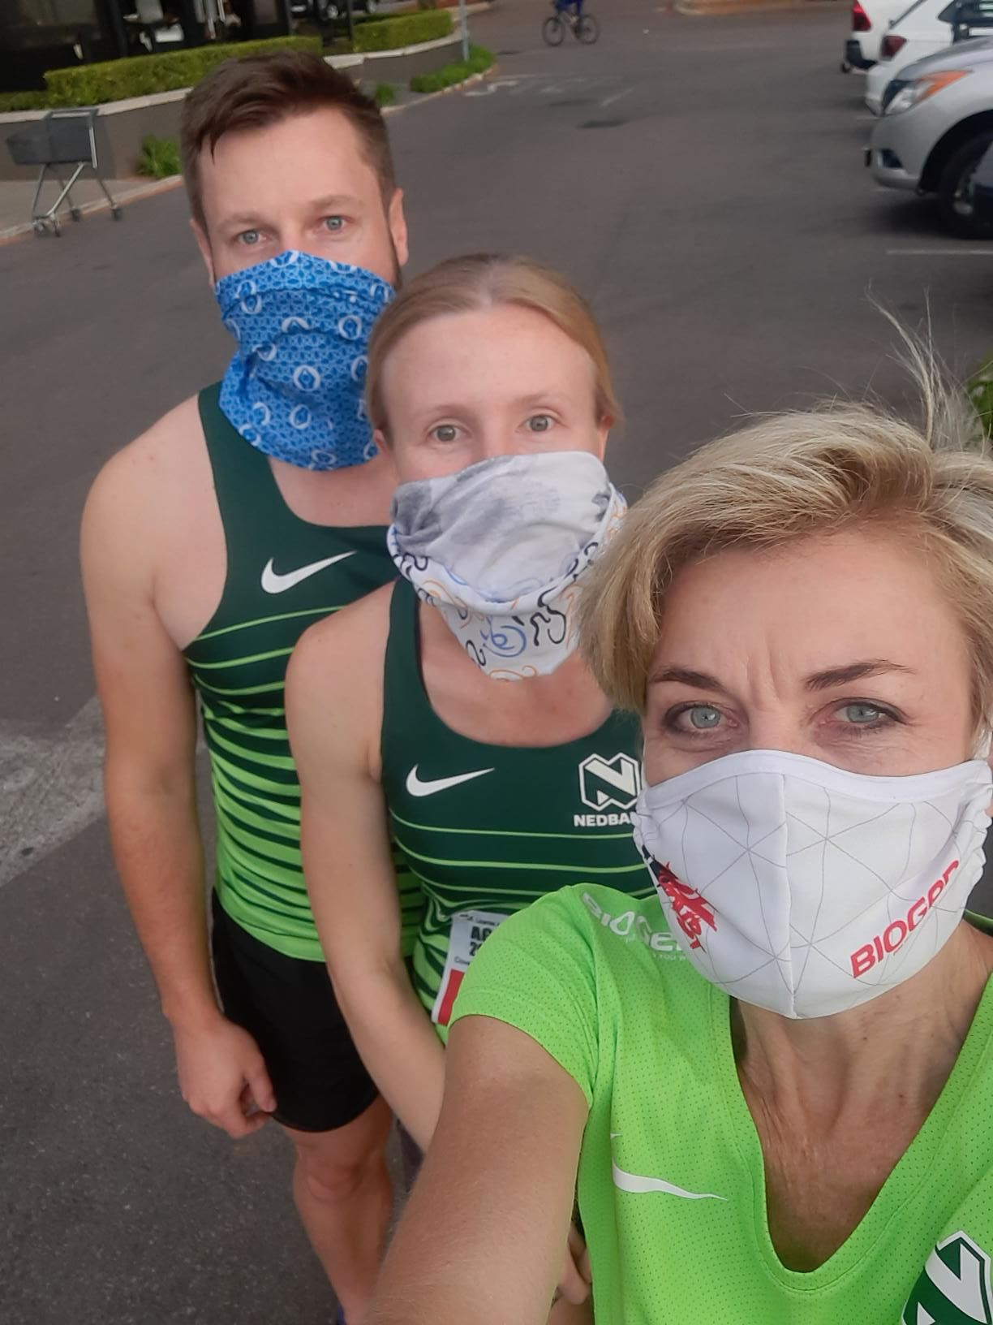
NEDBANK RUNNING CLUB GAUTENG NORTH
CLUB & VIRTUAL TIME TRIAL 15 JULY 21
CLUB TIME TRIALS
NAMES | KM | TIME
ABRAM MODISE | 10 | 41:03 | EKURHULENI
ALEJANDRO DAVID GONZALEZ | 12 | 60:15 | USA
Александр Шинькович | 10 | 51:17 | RUSSIA
ANTON SHTANOV | 10 | 60:48 | RUSSIA
BENITA LOPEZ URBANO | 14 | 5H01 | MEXICO
BETHUEL MOTLAPEMA | 10 | 49:12 | TSHWANE
BUDHADITYA BOSE | 5 | 28:10 | USA
CAMILO MORENO | 5 | 38:14 | COLOMBIA
CRISTIAN R | 5 | 21:40 | SPAIN
CRISTIAN R | 5 | 27:31
DAVID GUEVARA | 6 | 27:09 | ARGENTINA
DAVY SIMBA | 3 | 23:00 | TANZANIA
DEJESUS TAGA | 10 | 60:00 | TANZANIA
DEUSIMAR GERREIRA | 21 | 2H00 | BRAZIL
ENOCH SKOSANA | 6 | 28:07 | TSHWANE
FRANCES VAN BLERK | 4 | 19:54 | TSHWANE
FRANCOIS VENTER | 6 | 34:38 | TSHWANE
GRANT STOCKDALE | 16 | 60:30 | EKURHULENI
HANIF CMBA | 6 | 51:53 | INDONESIA
INGRID KOSTER RIDE |  | 60:01 | TSHWANE
JACKELINE RODRIGUES | 10 | 60:03 | BRAZIL
JANNIE VAN DER WALT | 6 | 34:38 | TSHWANE
JOSE CARLOS | 3 | 41:13 | COSTA RICA
JOSE CARLOS | 5 | 60:06 | COSTA RICA
KWANGMIN LEE | 4 | 24:54 | SOUTH KOREA
MANNY MENDEZ | 5 | 30:03 | KIMBERLY
MARIELA RODRIQUES | 7 | 45:11
MARTIN MURIUKI | 7 | 41:20
MARTIN NAUDE | 6 | 38:24 | TSHWANE
MATTHEW I CELIS | 6 | 29:20 | USA
MIGUEL AGUILAR BURGOS | 7 | 28:10 | SPAIN
MPHO MUDAU | 11 | 60:00
MZWANDILE KATASA | 7 | 52:21 | FREE STATE
PABLO MEDEO | 10 | 60:07 | ARGENTINA
PAULA HILL | 12 | 60:32 | CANADA
PETER MOLOTO | 5 | 18:10
PROSPER NGUMA | 1 | 17:27 | TANZANIA
REUBEN SWART | 10 | 56:00 | TSHWANE
RICARDO ALANIS | 7 | 2:14 | MEXICO
SAMAMNTHA CARLA | 10 | 58:45 | BRAZIL
SGUDA SIBANDE | 15 | 60:15 | TSHWANE
SOLICE MAKGETLANENG | 13 | 50:06 | TSHWANE
SUE HEYMANS | 10 | 60:23 | TSHWANE
TAURINO | 5 | 37:03 | BRAZIL
TLHOTSANE SEMPE | 21 | 60:49 | BUFFALO CITY
TLOU TLOU | 10 | 58:09 | EMALAHLENI
VALTER BRANCO | 10 | 60:01 | BRAZIL
VEDOBUIO L | 7 | 30:51
VICTOR MAKONDO | 4 | 31:03
55 ATHLETES | 398

