22 JULY 2021
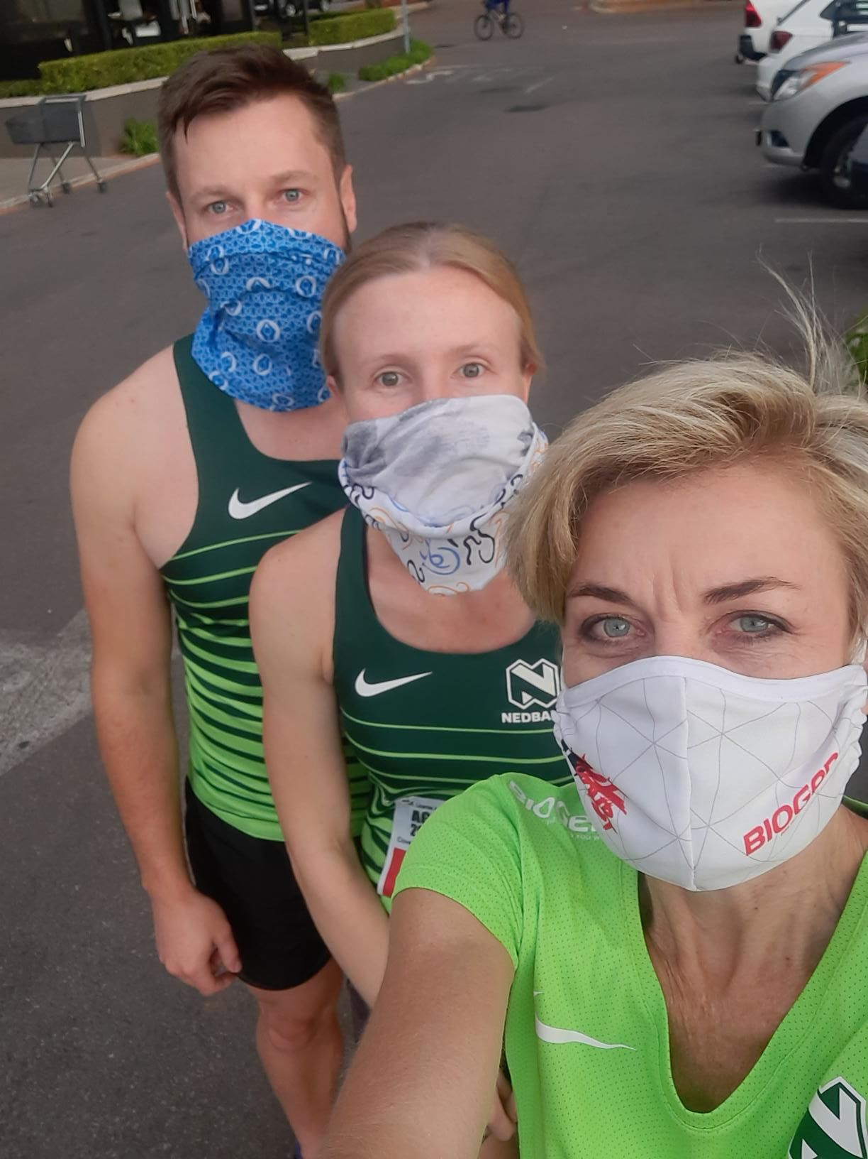
NEDBANK RUNNING CLUB GAUTENG NORTH
CLUB & VIRTUAL TIME TRIAL 22 JULY 21
CLUB TIME TRIALS
NAMES | KM | TIME
ABRAM MODISE | 20 | 2h13 | EKURHULENI
ALWYN ROUX | 4 | 29:04 | OVERSTRAND MUNICIPALITY
ARNOLD BEZUIDENHOUT | 3 | 28:14
CALLAN BOSCH | 9 | 56:07 | COJ
DOUG BOSCH | 5 | 30:15 | TSHWANE
FRANCES VAN BLERK | 4 | 19:32 | TSHWANE
FRANCOIS VENTER | 5 | 29:31 | TSHWANE
GRANT STOCKDALE | 6 | 37:35 | KOUGA MUNICIPALITY
INGRID KOSTER | 8 | 40:51 | TSHWANE
JANNIE VAN DER WALT | 5 | 30:50 | TSHWANE
MARTIN NOUDE | 8 | 49:36 | TSHWANE
MICHAEL LENHOFF | 13 | 60:29 | TSHWANE
SGUDA SIBANDE | 21 | 60:36 | TSHWANE
SOLICE MAKGETLANENG | 13 | 60:01 | TSHWANE
SUE HEYMANS | 7 | 57:49 | TSHWANE
TLHOTSANE SEMPE | 24 | 2h19 | BUFFALO CITY
WICUS COETZEE | 5 | 45:36 | TSHWANE
17 ATHLETES | 160

